Chapter 2 PA4
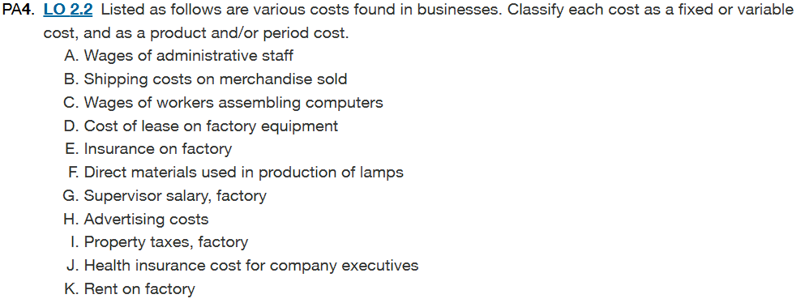

Cost Item | Fixed/Variable Cost | Product/Period Cost
A. Wages of administrative staff | Fixed | Period
B. Shipping costs on merchandise sold | Variable | Period
C. Wages of workers assembling computers | Variable | Product
D. Cost of lease on factory equipment | Fixed | Product
E. Insurance on factory | Fixed | Product
F. Direct materials used in production of lamps | Variable | Product
G. Supervisor salary, factory | Fixed | Product
H. Advertising costs | Fixed | Period
I. Property taxes, factory | Fixed | Product
J. Health insurance cost for company executives | Fixed | Period
K. Rent on factory | Fixed | Product

Fixed costs remain constant in total regardless of changes in activity level (within a relevant range). These costs include rent, insurance premiums, property taxes, and salaries for administrative staff and supervisors.

Variable costs change in direct proportion to the level of business activity. As production or sales increase, variable costs increase proportionately. These include direct materials, direct labor for production workers, and shipping costs that vary with sales volume.

Product costs are directly associated with manufacturing goods or providing services. These costs are initially recorded as assets (inventory) and become expenses only when the products are sold. Product costs include: Direct materials, Direct labor, manufacturing overheard(factory rent, insurance, supervisor salaries)

Period costs are expenses that are matched with the period in which they are incurred rather than with products. They include selling and administrative expenses such as: Administrative salaries, Advertising, Executive benefits, Shipping Costs

Chapter 2 PA5
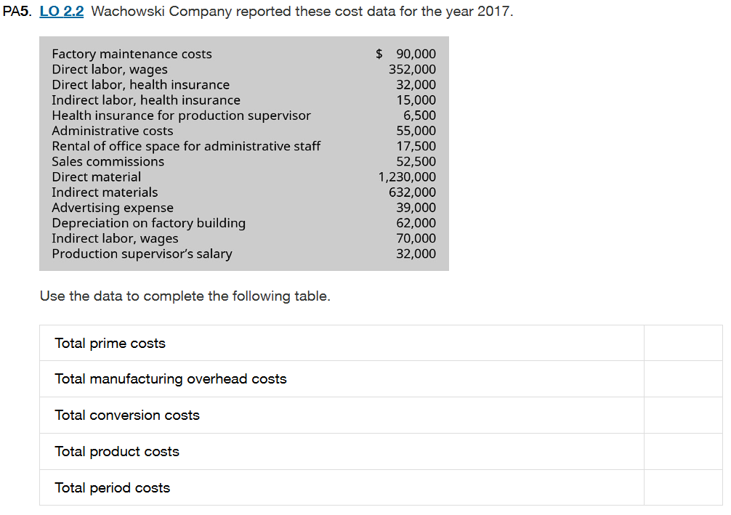

1. Prime Costs are the sum of direct material, and direct labor costs. |  | 2. Manufacturing overhead costs are the indirect costs incurred during the production process.
Prime Costs |  | Manufacturing Overhead Costs
Costs: |  | Costs:
Direct Material | $1,230,000 | Indirect Material | $632,000
Direct labor, wages | $352,000 | Indirect Labor, Wages | $70,000
Direct labor, Health Insurance | $32,000 | Indirect labor, health insurance | $15,000
Total Costs | $1,614,000 | Productions Supervisor's Salary | $32,000
 |  | Health Insurance for production supervisor | $6,500
The total prime costs are $1,614,000. |  | Factory Maintenance Costs | $90,000
 |  | Depreciation | $62,000
 |  | Total Costs | $907,500

 |  | The total manufacturing overhead costs are $907,500

3.Conversion costs are the sum of the direct labor costs and manufacturing overhead costs
Total conversion costs = Sum of Direct labor+ Manufacturing Overhead Costs |  |  |  | The final table would be
Total conversion costs = $352,000+$32,000+ $907,500= $1,291,500 |  |  |  | Total Prime Costs | $1,614,000
 |  |  |  | Total Manufacturing overhead costs | $907,500
4. Product costs are costs directly connected with the production process |  |  |  | Total Conversion Costs | $1,291,500
Total Product Costs= Sum of Total prime costs+ Manufacturing overhead costs |  |  |  | Total Products Costs | $2,521,500
Total Product Costs = $1,614,000+$907,500= $25,215,000 |  |  |  | Total Period Costs | $164,000

5. Period costs are other indirect costs incurred during the production process.
Period Costs
Costs:
Administrative Costs | $55,000
Rental of office space for admin staff | $17,500
Advertising expense | $39,000
Sales commissions | $52,500
Total Costs | $164,000

Chapter 3 PA6
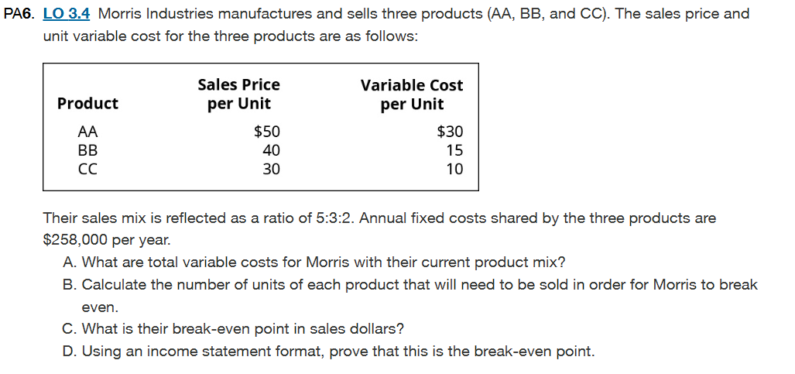

Cost-Volume-Profit (CVP) Analysis is used to determine how changes in costs and volume affect the company's profitability
Selling Price (SP) is the afinal price a customer pays to buy a product or service
Variable Costs (VC) are expenses that fluctuate in proportion to the volume of goods or services produced and sold by a company.

Sales price of AA |  | Variable cost of AA |  | Contribution margin per composite unit | A. Total Variable Costs with their product mix
Sales price​=Sales price per unit × Sales mix |  | Variable Cost​=Variable Cost per unit × Sales mix |  | CM per Composite Unit​=SP per Composite Unit −VC per Composite Unit | 6,000 of AA at $30 | $180,000
Sales Price= $50 x 5= $250 |  | Variable Cost=$30 x 5= $150 |  | CM per Composite Unit= $430- $215= $215 | 3,600 of BB at $15 | $54,000
Sales price of BB |  | Variable Cost of BB |  |  | 2,400 of CC at $10 | $24,000
Sales price= $40 x 3= $120 |  | Variable Cost= $15 x 3= $45 |  | Lets Break Even Point in units | Total Variable Costs | $258,000
Sales price of CC |  | Variable Cost of CC |  | Break-Even Point per Composite Unit = Fixed Costs/ CM per Composite Unit
Sales Price= $30 x 2= $60 |  | Variable Cost= $10 x 2= $20 |  | Break Even point Per Composite Unit=258000/215 =1200 Composite units | B. How many AA, BB, CC we need to sell
 |  |  |  |  | AA units= Break -Even Quantity x Product Mix= 1200 x 5 = 6000
Sales price per composite unit |  | Variable costs per composite unit |  | Variable costs of AA, BB, CC | BB units​=Break-even quantity × Product mix= 1200 x 3= 3600
5 of AA at $50 | $250 | 5 of AA at $3 | $150 | AA Variable Costs​=Variable cost per unit × Number of units sold = $30 × 6,000= $180,000 | CC units= Break-even quantity x Product mix= 1200 x 2= 2400
3 of BB at $40 | $120 | 3 of BB at $15 | $45 | BB Variable Costs​=Variable cost per unit × Number of units sold = $15 × 3,600= $54,000
2 of CC at $30 | $60 | 2 of CC at $10 | $20 | CC Variable Costs​=Variable cost per unit × Number of units sold = $10 × 2,400= $24,000 | C. Break-even volume in sales dollars
Selling Price of 1 composite Unit | $430 | Variable Costs of 1 Composite Unit | $215 |  | Break-even volume in sales dollars= Fixed Costs/CM ratio
 |  |  |  | Contribution margin ratio= CM unit per composite unit/SP per composite unit | Break-even volume in sales dollars= $258,000/50%= $516,000
 |  |  |  | Contribution margin ratio= 215/430= 50%
 |  |  |  |  | D. Income Statement to showcase Break-even
 |  |  |  | Sales of AA, BB, CC | Morris Industries
 |  |  |  | AA Sales= Selling price per unit x Number of Units sold = $50 x 6,000= $300,000 | Contribution Margin
 |  |  |  | BB Sales= Selling price per unit x Number of Units sold = $40 x 3,600= $144,000 | Income Statement
 |  |  |  | CC Sales= Selling price per unit x Number of Units sold = $30 x 2,400= $72,000 | Sales:
 |  |  |  |  | AA(6,000 at $50) | $300,000
 |  |  |  |  | BB(3,600 at $40) | $144,000
 |  |  |  |  | CC(2,400 at $30) | $72,000
 |  |  |  |  | Total Sales |  | $516,000
 |  |  |  |  | Variable Costs
 |  |  |  |  | AA(6,000 at $30) | $180,000
 |  |  |  |  | BB(3,600 at $15) | $54,000
 |  |  |  |  | CC(2,400 at $10) | $24,000
 |  |  |  |  | Total Variable Costs |  | $258,000
 |  |  |  |  | Contribution Margin |  | $258,000
 |  |  |  |  | Fixed Costs |  | $258,000
 |  |  |  |  | Net Income |  | $0

